Sheet1
 | 2 Stroke Calculators |  |  |  | web page |  | (data entry cells are light blue)
 |  |  |  |  | by Michael Forrest |  | (distances are in millimeters unless stated otherwise) |  |  |  |  | Longer Stinger Diameter
 |  |  |  |  | updated Mar 12 '22 |  |  |  | meters | feet |  | mm length | inner diameter | C.S. area
 | average piston velocity |  |  |  | Cranking Engine PSI |  |  |  | 2 | 6.8 | original dimensions: | 100 | 26.6 | 555
 |  | average piston | max allow- |  | engine |  |  |  |  | millimeters
max RPM | piston stroke | m/sec velocity | able RPM |  | compr ratio | feet elevation | cranking psi |  | inches | (mm) |  | new longer length | new diameter | C. S. area
10000 | 50.0 | 16.7 | 15000 |  | 8.3 | 0 | 172 |  | 1.00 | 25.4 | new dimensions: | 400 | 35.8 | 1005
 |  |  |  |  |  |  |  |  |  |  |  | 922 | 1005
trapped cc | engine compression ratio |  |  |  | head volume |  |  | Maximum Delivery Ratio RPM |  |  |  | 34.3 | 35.8
above exhaust |  | engine |  | above exhaust | engine | above |  |  | crankcase | mm from top |  |  | maximum
port (ml) | above TDC cc | compression ratio |  | port cc (ml) | compr ratio | TDC cc |  | cylinder | compression | of transfers | Intake | Crankcase | delivery
72.5 | 8.4 | 8.6 |  | 60 | 7.1 | 8.5 |  | bore mm | ratio | to TDC | Volume cc | Volume cc | ratio RPM
(same in oz.) | (same in oz.) | Compression Ratio |  |  |  |  |  | 47 | 1.5 | 30.4 | 52.7 | 105.4 | 10639
2.03 | 0.29 | 7.05

 | Mikuni jet crossover |  |  |  | trapped engine volume
Mikuni 4/042 | equivalent |  |  | above exhaust | mm piston edge |  |  | trapped | piston dome | above piston cc | engine
main jet | N100.64 jet | hole diameter |  | port mm | to cylinder top | cylinder bore | head cc | engine cc | cc volume | @ TDC | compr ratio | feet elevation | cranking psi
150 | 113.9 | 1.09 |  | 27.850 | 0.00 | 50.0 | 5.85 | 61.68 | 0.8 | 7.0 | 8.8 | 5000 | 134
 |  |  |  |  |  |  | head gasket |  |  | cc volume
Mikuni N100.64 | equivalent |  |  | ounces | cubic centimeters |  | mm thickness |  |  | 5.85 | head
main jet | 4/042 jet | hole diameter |  | 1.0 | 29.6 |  | 1.00 |  |  | 1.96 | gasket
114.0 | 150 | 1.09 |  |  |  |  | piston dome |  |  | 0.00 | deck
 |  |  |  | cc | ounces |  | mm height |  |  | 0.79 | piston dome
 | engine size (conventional) |  |  | 30 | 1.01 |  | 0.8 |  |  | 55 | port to TDC
cyl bore mm | stroke mm | cc size
50.0 | 50.0 | 98.1 |  |  |  |  |  |  | This chart shows what the bike manufacturers went by, increasing the velocity for small engines
 |  |  | Carb Air Speed & Size Calculator |  |  | website page |  |  | to emphasize mid range power so the engine could carry the RPM up to the pipe powerband.
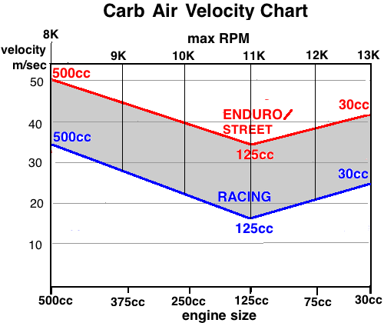
 |  |  | mm carb | Intake | Carb Flow |  |  | mm ideal
engine cc | transfer duration | max RPM | diameter | Volume L/min | Velocity m/sec | type of riding | ideal velocity | carb diameter
250 | 125 | 8000 | 38 | 1552 | 22.9 | enduro/street | 38.9 | 29
cylinder bore | vol. efficiency |  | cm^2 carb | 242.5 |  | racing | 23.9 | 37
66 | 0.78 |  | area |  |  |  | % cutaway | max carb size
compression ratio | ft elevation | cranking PSI | 11.34 |  |  |  | 10 | 48
8.5 | 500 | 170 | idle slide area | idle slide height |  | This figures in the bore and compression ratio:
 |  | 0.96 | 125.1 | 6.4 |  | type of riding | ideal velocity | carb diameter
 |  |  | 0.110 |  |  | enduro/street | 37.9 | 30
 |  |  |  |  |  | racing | 22.9 | see web page
piston stroke | 50 | Hot Port Durations Calculator |  |  |  |  |  | 38.0
Con Rod mm | 110 |  |  |  |  | website page
Above Port mm |  | exhaust | 0.99423 | exhaust | 0.99423 | transfers | 0.99704
cold | hot | duration | above port | duration | above port | duration | above port
exhaust cold | exhaust hot | 205 | 22.3 | 207.5 | 21.8 | 130.0 | 37.9
27.85 | 28.10 | 200 | 23.4 | 202.5 | 22.9 | 127.5 | 38.4
transfers cold | transfers hot | 195 | 24.6 | 197.5 | 24.0 | 125.0 | 38.8
39 | 39.25 | 190 | 25.7 | 192.5 | 25.1 | 122.5 | 39.2
 |  | 185 | 26.8 | 187.5 | 26.2 | 120.0 | 39.6
Estimated Durations |  | 180 | 27.9 | 182.5 | 27.3 | 117.5 | 40.1
exhaust cold | exhaust hot | 175 | 28.9 | 177.5 | 28.4 | 115.0 | 40.4
180.0 | 178.9 | 170 | 30.0 | 172.5 | 29.5 | 112.5 | 40.8
transfers cold | transfers hot | 165 | 31.0 | 167.5 | 30.5 | 110.0 | 41.2
123.7 | 122.2 | 160 | 32.1 | 162.5 | 31.6 | 107.5 | 41.6

 | NEEDLE CALCULATOR |  |  | Engine Oil Weight Calculator, Grams |  |  | Liters Gasoline Calculator
(Start diameters | Taper Angle Finder |  | Engine Oil | grams of a volume of water |  | 100 | grams of same
are "up" on the | length between dia's | start diameter (bigger) | Motul 510 | grams of same volume of oil |  | 87 | volume gasoline | 72
needle and "end" | 6 | 2.13 |  | measured oil density | gas/oil ratio | 27 | gasoline density | 0.72
diameters are | end diameter | taper angle (full) |  | 0.87 | liters gasoline | 0.48 | grams gasoline | 345 | NOTES : | ENGINE OIL | Gas/Oil Ratio | Oil Density
down from there.) | 1.805 | 3.100 |  | needed grams engine oil |  | 20.4 | liters gasoline | 0.48 |  | Castor 927 | 45 @ 7300 | 0.97
 | End Diameter Finder |  |  |  |  |  |  | Blowdown Calculator |  | Motul 510 | 27 @ 7300 | 0.87
 | taper degrees | start diameter |  | Engine Oil Weight Calculator, Ounces |  |  |  | exhaust duration | 180 | Super M | 42 @ 7300 | 0.86
 | 2 | 2.72 |  | ounces of a volume of water |  | 2.8 |  | transfer duration | 115
 | segment length | end of segment dia. |  | ounces of same volume of oil |  | 2.43 |  | peak power RPM | 8000
 | 0.62 | 2.698 |  | Oil Density | gas/oil ratio | 27 |  | 1 or 3 port exhaust? | 1 | Change to this exhaust or transfer duration (keeping the other existing one the same)
 | Taper Length Finder |  |  | 0.87 | gallons gasoline | 3.75 |  | existing blowdown | 32.5 | exhaust duration | transfer duration
 | taper degrees | start diameter |  | needed ounces engine oil |  | 20.5 |  | needed best blowdown | 33.3 | 181.7 | 113.3
 | 1.57 | 2.67 |  |  |  |  |  | needed so-so blowdown | 29.7 | 174.4 | 120.6
 | end diameter | length between diameters |  | Motorized Bicycle (Grubee 2 stroke) RPM Calculator
 | 2.515 | 5.66 |  | max MPH | 22.5 |  |  | Mikuni Main Jet | Mikuni Idle Jet | Keihin Main Jet | Keihin Idle Jet | Dellorto Jet
 | Start Diameter Finder |  |  | rear sprocket teeth | 56 |  |  | Size Calculator | Size Calculator | Size Calculator | Size Calculator | Size Calculator
 | taper degrees | end diameter |  | ft tire circumference | 6.66 |  |  | 4/042 main jet # | 22/210 Idle Jet | Main Jet # | Idle Jet # | Main or Idle Jet #
 | 1 | 2.105 |  | max RPM | 6851 |  |  | 73 | 7.5 | 160 | 70 | 150
 | segment length | start diameter |  |  |  |  |  | N100/604 Main Jet | hole diameter | hole diameter | hole diameter | hole diameter
 | 7.5 | 2.236 |  | max KPH | 46.2 |  |  | 0 | 0.244 | 1.467 | 0.700 | 1.500
 |  |  |  | rear sprocket teeth | 44 |  |  | mm hole diameter | hole area | hole area | hole area | hole area
 | Motorized Bicycle (Grubee 2 stroke) Speed Calculator |  |  | meters tire circ. | 2.03 |  |  | 0.762 | 0.047 | 1.689 | 0.385 | 1.766
 | max RPM | 9000 |  | max RPM | 6868 |  |  | main jet hole area
 | rear sprocket teeth | 44 |  |  |  |  |  | 0.456
 | feet tire circumference | 6.66 |  | MPH to KPH |  | KPH to MPH
 | max MPH | 37.6 |  | mph | 60 | kph | 96.5
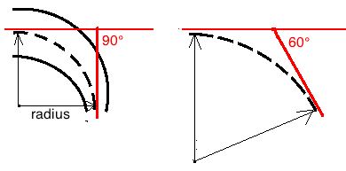
 |  |  |  | kph | 96.5 | mph | 59.9
 | max RPM | 7300
 | rear sprocket teeth | 44
 | meters tire circumference | 2.03
 | max KPH | 49.1 |  |  | Pipe Radius Calculator |  | (see video)
 |  |  |  |  | belly length in mm | 220
 | Pipe Powerband RPM Calculator |  |  |  | pipe angle | 60
 | exhaust port duration | 175 |  |  | radius in mm | 210
millimeters ==> | piston to end of belly mm | 670
 | end of powerband RPM | 10657
 | start of powerband RPM | 7779
 | exhaust port duration | 184 |  | Pipe Cone Angle Calculator |  |  | (from center)
inches ==> | piston to end of belly inches | 23 |  | cone length mm | small end dia. | large end dia. | cone angle
 | end of powerband RPM | 12848 |  | 220 | 9.5 | 70.0 | 7.8
 | start of powerband RPM | 9379
 | Pipe Cone Pattern Maker |  |  |  |  |  |  | Needle Shroud Calculator |  |  | Equivalent Compression Ratio Calculator
large diameter mm | small end diameter | pipe angle from center | length a | length b | length of chord | angle A |  | shroud height | % jetting change |  | full stroke | 170* exhaust above | 180* exhaust above
70 | 25 | 8 | 89.8 | 251.5 | 203.3 | 77.9 |  | +3mm height | 29% | 240 | Compression Ratio | port Compr. Ratio | port Compr. Ratio
(Dimeters are inner diameters plus sheet metal thickness) |  |  | 161.7 |  |  |  |  | +2mm height | 19% | 222 | 14.0 | 7.80 | 7.25
 |  |  |  |  |  |  |  | +1mm height | 10% | 204 |  | 190* exhaust above | 200* exhaust above
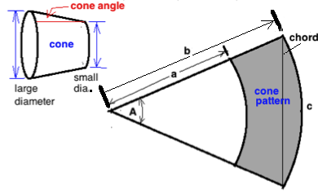
 |  |  |  |  | BlowDown Calculator |  |  | current shroud height | 6.0 | 186 |  | port Compr. Ratio | port Compr. Ratio
 |  |  |  |  | peak power RPM | 8000 |  | -1mm height | -10% | 168 |  | 6.68 | 6.08
 |  |  |  |  | exhaust port duration | 180 |  | -2mm height | -19% | 150
 |  |  |  |  | transfer port duration | 115 |  | -3mm height | -29% | 132
 |  |  |  |  | blowdown time (ms) | 0.677
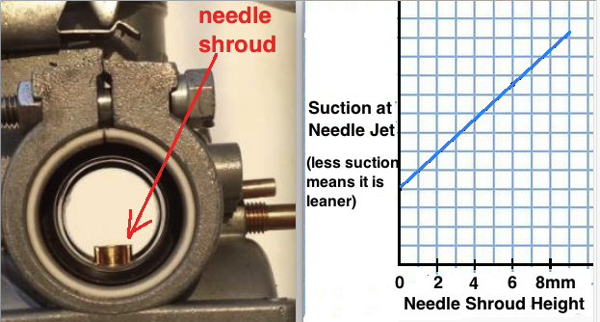
 |  |  |  |  | blowdown degrees | 32.5

 |  |  |  |  | new peak power RPM | 9000
 |  |  |  |  | needed blowdown deg | 36.6
 |  |  |  |  | needed exh/transfer
 |  |  |  |  | additional separation | 4.06
 |  |  |  |  | needed exh duration | 184.1

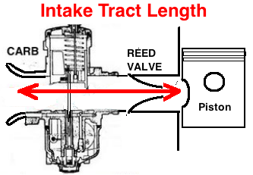

 |  | Resonant Intake Length
 |  | top RPM (end of powerband) | 12000
 |  | transfer duration | 120
 |  | intake period in seconds | 0.0017
 |  | Intake tract length in feet | 0.47
 |  | Intake tract length in cm | 7.1

Click here for a listing of for-sale 2 stroke calculators

 |  | NEEDLE ANGLE FINDER
Needle Diameters Every 3mm |  |  |  |  |  |  |  |  |  |  |  | (end of taper dia.)
Dia. 1 | Dia. 2 | Dia. 3 | Dia. 4 | Dia. 5 | Dia. 6 | Dia. 7 | Dia. 8 | Dia. 9 | Dia. 10 | Dia. 11 | Dia. 12 | Dia. 13
2.51 | 2.41 | 2.57 | 2.57 | 2.53 | 2.49 | 2.45 | 2.41 | 2.37 | 2.28 | 2.19 | 2.07 | 1.95
ANGLES --> | 1.91 | -3.05 | 0.00 | 0.76 | 0.76 | 0.76 | 0.76 | 0.76 | 1.72 | 1.72 | 2.29 | 2.29 | 2.3
 | -4.80 | 0.60 | 0.00 | #DIV/0! | -12055623884.80 | #DIV/0! | 3.0 | 0.00 | 3.00 | 0.00 | 628363684747.64
TRANSITION --> |  | 0.60 |  | #DIV/0! |  | #DIV/0! | 3.000 |  | 3.00

Needle Diameters Every 5mm |  |  |  |  |  |  | (end of taper dia.) |  | NEW JET DIAMETER CALCULATOR
Dia. 1 | Dia. 2 | Dia. 3 | Dia. 4 | Dia. 5 | Dia. 6 | Dia. 7 | Dia. 8 |  | Previous Carb Dia. | Previous M. Jet Dia. | Previous Idle Jet Dia.
2.515 | 2.515 | 2.4 | 2.1 | 1.8 | 1.5 | 1.2 | 0.9 |  | 20 | 0.74 | 0.51
ANGLES --> | 0.0 | 1.3 | 3.4 | 3.4 | 3.4 | 3.4 | 3.4 | 3.4 | 314 | 0.43 | 0.20
 | 3.08 | -0.01 | -5548745427565.71 | #DIV/0! | 9710304498248.00 | 9710304498248 |  |  | New Carb Dia. | New M. Jet Dia. | New Idle Jet Dia.
TRANSITION --> |  |  |  | #DIV/0! |  |  |  |  | 24 | 0.89 | 0.61
 |  |  |  |  |  |  |  |  | 452 | 0.619 | 0.294
Needle Diameters Every 10mm |  |  |  | (end of taper dia.)
Dia. 1 | Dia. 2 | Dia. 3 | Dia. 4 | Dia. 5 |  |  |  | Mikuni Main Jet | Mikuni Idle Jet | Keihin Main Jet | Keihin Idle Jet | Dellorto Jet
2.515 | 2.4 | 1.9 | 1.4 | 0.9 |  |  |  | Size Calculator | Size Calculator | Size Calculator | Size Calculator | Size Calculator
ANGLES --> | 0.7 | 2.9 | 2.9 | 2.9 | 2.9 |  |  | 4/042 main jet # | 22/210 Idle Jet | Main Jet # | Idle Jet # | Main or Idle Jet #
 | -0.01 | 22489894542832 | 22489894542816 |  |  |  |  | 73 | 7.5 | 160 | 70 | 150
TRANSITION --> |  |  |  |  |  |  |  | N100/604 Main Jet | hole diameter | hole diameter | hole diameter | hole diameter
 |  |  |  |  |  |  |  | 0 | 0.244 | 1.467 | 0.700 | 1.500
 |  |  |  |  |  |  |  | mm hole diameter | hole area | hole area | hole area | hole area
 |  |  |  |  |  |  |  | 0.762 | 0.047 | 1.689 | 0.385 | 1.766
 |  |  |  |  |  |  |  | main jet hole area
 |  |  |  |  |  |  |  | 0.456

